Sheet1
莎 阿 南 佛 学 会
SHAH ALAM BUDDHIST SOCIETY (PPM-004-10-15121990)

No 9, Jalan Sg Congkak 32/41, Bukit Rimau, 40460 Shah Alam, Selangor.
Tel: 03-5121 5186 Fax: 03-5121 5182 Email: info@sabs.org.my

APPLICATION FOR LEAVE FORM

It is a condition of all leave granted that it is subject to be rescinded at any time by the Management , if it is desirable in
the interest of SABS that the employee should continue to perfrom his/her duties or should return to duty before expiry
of the period for which he/she has been granted leave.

Name: | [name] |  |  |  |  | Tel: [tel]

Address: | [address]
(during leave)

Please tick where applicable |  |  |  |  |  | This Year Entitlement | [ent]

[t1] | Annual Leave |  | [t6] |  | 修行假 | Last Year b/f | [cf]

[t2] | Emergency Leave |  | [t5] |  | Others (specify) | Total

[t3] | Working On Off Day/PH |  |  |  |  | Less Leave Taken

[t4] | Medical Leave |  |  |  |  | Total Add Leave

 |  |  |  |  |  | Current Total | [bal]

Reason for application |  | [notes] |  |  |  | Now Applied for | [num_days]

Leave to commence from |  | [start] |  |  |  | Balance | [leave]

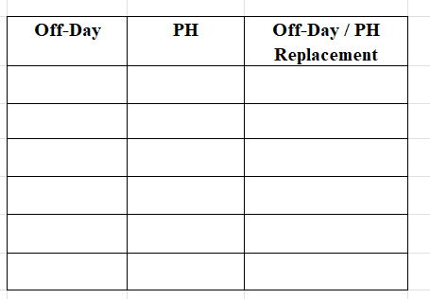
Number of working days |  | [num_days]

To report duty on

[timestamp]
Date of Application |  |  |  | Signature of Application

I can spare him/ her for the period above stated and I WILL / WILL NOT require a relief.

[today]
Date |  |  | Head of Department |  |  | Approved By

To be completed if applicant is a key holder

During my absence on leave, the key/s at present held by me will be entrusted to ____________________
who, unless otherwise advised, will hand over the key/s to me on my return.

Applicant |  |  | Confirmed By |  |  | Approved By

